Sheet1
 | Board | Board | Segment | Diameter |  | Species
Row | Width | Length | S.E.L. | Outer | Inner | Maple | Lgth | Wenge | Lgth
1 | 1.13 | 17.00 | 1.03 | 7.8" | 1.1" | 12 | 8.4 | 12 | 8.4
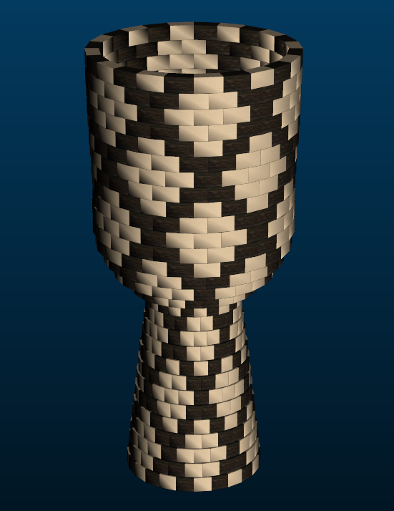
2 | 1.13 | 17.60 | 1.01 | 7.6" | 1.7" | 12 | 8.7 | 12 | 8.7
3 | 1.13 | 18.30 | 0.98 | 7.4" | 2.3" | 18 | 13.7 | 6 | 4.5
4 | 1.13 | 18.90 | 0.95 | 7.2" | 2.9" | 12 | 9.4 | 12 | 9.4
5 | 1.13 | 19.50 | 0.92 | 7" | 3.5" | 12 | 9.7 | 12 | 9.7
6 | 1.13 | 20.00 | 0.90 | 6.8" | 4" | 12 | 9.9 | 12 | 9.9
7 | 1.10 | 20.40 | 0.87 | 6.6" | 4.5" | 18 | 15.2 | 6 | 5
8 | 1.00 | 20.40 | 0.85 | 6.4" | 4.7" | 12 | 10.1 | 12 | 10.1
9 | 1.00 | 19.40 | 0.82 | 6.2" | 4.2" | 12 | 9.6 | 12 | 9.6
10 | 1.16 | 18.10 | 0.79 | 6" | 3.7" | 12 | 9 | 12 | 9
11 | 1.32 | 16.80 | 0.76 | 5.7" | 3.1" | 18 | 12.6 | 6 | 4.1
12 | 1.44 | 15.90 | 0.73 | 5.6" | 2.7" | 12 | 7.9 | 12 | 7.9
13 | 1.51 | 15.90 | 0.74 | 5.6" | 2.6" | 12 | 7.9 | 12 | 7.9
14 | 2.32 | 18.40 | 0.95 | 7.2" | 2.6" | 12 | 9.2 | 12 | 9.2
15 | 2.28 | 24.40 | 1.20 | 9.1" | 4.6" | 18 | 18.3 | 6 | 6
16 | 1.64 | 29.90 | 1.34 | 10.2" | 7" | 12 | 14.9 | 12 | 14.9
17 | 1.36 | 33.50 | 1.45 | 11" | 8.4" | 12 | 16.7 | 12 | 16.7
18 | 0.95 | 35.70 | 1.49 | 11.3" | 9.5" | 12 | 17.8 | 12 | 17.8
19 | 0.90 | 36.10 | 1.49 | 11.3" | 9.8" | 18 | 27 | 6 | 8.9
20 | 0.90 | 35.80 | 1.49 | 11.3" | 9.6" | 12 | 17.8 | 12 | 17.8
21 | 0.90 | 35.80 | 1.48 | 11.3" | 9.6" | 12 | 17.8 | 12 | 17.8
22 | 0.90 | 36.00 | 1.50 | 11.4" | 9.7" | 12 | 18 | 12 | 18
23 | 0.90 | 36.40 | 1.51 | 11.5" | 9.8" | 18 | 27.2 | 6 | 9
24 | 0.90 | 36.70 | 1.52 | 11.6" | 9.9" | 12 | 18.3 | 12 | 18.3
25 | 0.90 | 37.00 | 1.53 | 11.6" | 10" | 12 | 18.4 | 12 | 18.4
26 | 0.90 | 37.20 | 1.54 | 11.7" | 10.1" | 12 | 18.5 | 12 | 18.5
27 | 0.90 | 37.30 | 1.55 | 11.7" | 10.1" | 18 | 28 | 6 | 9.2
28 | 0.90 | 37.50 | 1.55 | 11.8" | 10.2" | 12 | 18.7 | 12 | 18.7
29 | 0.90 | 37.00 | 1.55 | 11.8" | 9.8" | 12 | 18.4 | 12 | 18.4

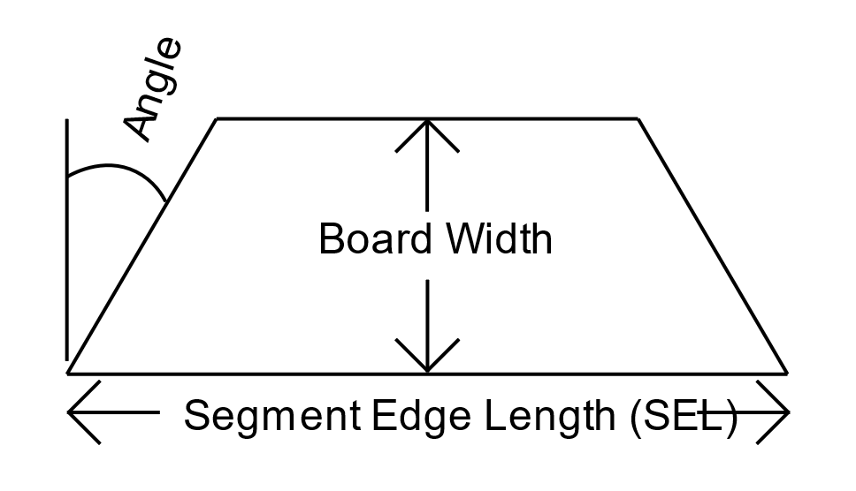
Dimensions |  | 25" Tall X | 12.5" Diameter Head
Segments per Ring |  | 24
Ring Thickness |  | .875
Angle |  | 7.50°
Segments of Maple |  | 390
Inches of Maple |  | 437.1
BF of Maple |  | 3.0354166667
Segments of Wenge |  | 306
Inches of Wenge |  | 341.8
BF of Wenge |  | 2.3736111111
Total # of Pieces |  | 696

